Sheet1
Title | Index | Year | Authors | Affliction | Publisher | Type | Name of journal or Conference | Keyword of Topic | Paper Keywords | Objective | Future Recommendation | Techniques | Stages | Figures | Ratings | Proposition | Tools | Sensors | Models | Datasets
Virtual Reality Technologies in the Training of Professional Drivers. Comparison of the 2D and 3D Simulation Application | 1 | 2020 | Kamila Gąsiorek , Ewa Odachowska , Arkadiusz Matysiak , and Małgorzata Pędzierska | Challenges and opportunities associated with the use of virtual reality (VR) technologies in driver training. It highlights several key issues, including: 1. Immersion and Simulation Sickness: Where VR provides a high level of immersion that enhances training, there is a concern about simulation sickness that can occur during VR sessions . 2. Effectiveness of VR in Training: The research examines the effectiveness of different VR systems compared to traditional 2D displays in providing realistic driving simulations and improving driver training outcomes . 3. Usability and Comfort: The paper explores drivers' perceptions of usability, comfort, and realism when using various presentation methods in the training environment, indicating that users generally felt more comfortable with traditional 2D screens compared to VR systems . 4. Dynamic Driving Parameters: The study also analyzes driving performance metrics and how they differ in VR versus 2D environments, focusing on safety and efficacy in simulating real-world driving scenarios | Springer Nature Switzerland AG | Conference | ISCT21 2019 | Immersive virtual reality, Driver training, HMD | Immersive virtual reality, Driver training, HMD | Analyze the impact of virtual reality (VR) technologies on the quality of driving simulation in driver training where it Compares VR Systems with 2D Screens, Evaluate Training Effectiveness, Assess User Experience, and Provide Insights for Future Use |  | Participant Selection: Thirty active drivers participated in the study, categorized by age (20-29 and 50-65) and having a minimum of three years of driving experience. This demographic was selected to assess differences in VR training impact based on age . Adaptive Drive on Simulator: Each participant underwent an adaptive drive on a simulator prior to the test drives to familiarize themselves with the VR environment and reduce the chances of simulation sickness . Research Scenarios: Participants drove through three different research scenarios (local road, extra-urban road, and motorway) to assess their performance and experiences across varying driving environments . Comparison of Presentation Methods: The study employed different virtual environment presentation methods, including virtual reality goggles (HTC Vive Pro and Oculus Rift) and a conventional 2D display. This allowed for direct comparison of user experiences across different technologies . Questionnaires: After each driving scenario, participants completed questionnaires assessing perceived usability, immersion, and symptoms of simulator sickness. This qualitative feedback was crucial for evaluating the effectiveness of each method . Statistical Analysis: The results were analyzed statistically to determine significant differences in comfort levels, perceived realism, and symptoms of simulation sickness between the VR goggles and the screen projection. | 1.Participant Recruitment 2.Fmiliarization (Adaptive Drive) 3.Driving Simulation Scenarios 4.Implementation of Different Technologies 5.Data Collection via QuestionnairesStatistical Analysis 6.Results and Discussion | 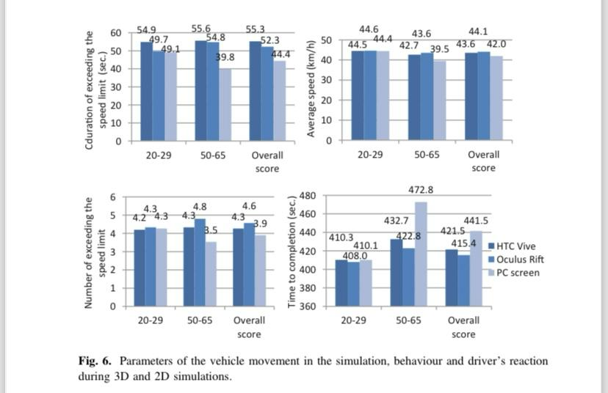 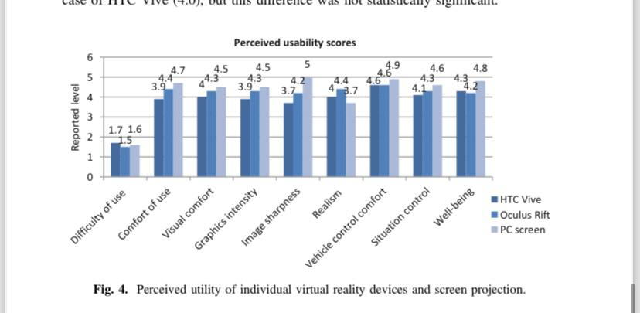 | 2 | Integration of VR Tools in Training Programs: VR technologies can effectively complement traditional driver training methods. It suggests that VR tools should be integrated into existing training programs to enhance the learning experience for trainees, particularly for modeling safe driving habits and preparing them for real traffic situations. Focus on Immersion and Engagement: Given the higher levels of immersion reported by participants using VR goggles compared to traditional 2D displays, the study proposes that increased engagement in the training process could lead to better learning outcomes. Therefore, adopting immersive VR systems may make driver training more effective, especially for inexperienced drivers. Addressing Simulation Sickness: The concerning levels of simulation sickness experienced by participants suggest the need for further investigation and development of VR technologies. The paper implies that future VR systems should aim to minimize discomfort and symptoms associated with simulation sickness to ensure a more effective training environment | 1. Virtual Reality Goggles: - HTC Vive Pro: A VR headset used during the study to immerse participants in a virtual driving environment , . - Oculus Rift: Another VR headset evaluated for its effectiveness in driver training, particularly in modeling driving behaviors and experiences , . 2. 2D Screen Projection: - A 40-inch LCD Monitor was utilized to present the virtual environment through traditional screen projection, serving as a comparison point against VR goggles
A Wizard of Oz Field Study to Understand Non-DrivingRelated Activities, Trust, and Acceptance of Automated Vehicles | 2 | 2020 | Henrik Detjen, Bastian Pfleging, Stefan Schneegass | Wwhat passengers do when they’re not driving in self-driving cars, like Robo-Taxis. It looks at how much people trust and like these cars. If the car and its services are designed well, passengers could have a much better and more comfortable travel experience than in regular cars. But if the design isn’t good, people might not use the car’s full benefits, and their experience could feel the same as riding in a normal car. | Association for Computing Machinery, Inc. (ACM) | Conference | Automotive User Interfaces and Interactive Vehicular Applications | Highly Automated Driving, Autonomous Vehicles, Robo-Taxis, Field Study, Real-World Driving, Wizard of Oz Experiment, Non-DrivingRelated Activities, Travel-Based Multitasking, Travel Time Use, User Acceptance, Automation Trust. | Highly Automated Driving, Autonomous Vehicles, Robo-Taxis, Field Study, Real-World Driving, Wizard of Oz Experiment, Non-DrivingRelated Activities, Travel-Based Multitasking, Travel Time Use, User Acceptance, Automation Trust. | To understand more of non related driving activites and to explore of the user experience in terms of trust in automation and accpetance automated vehivles. The goal is to see how trust in automation can influence user's behavior and how accpetance ofautomated technolgies give factors that influence their attitude towards the system. | More user experience studies are needed with detailed analysis of their activities. More studies and research are needed to understand more the acceptance models and the effect of the trip duration on their attitudes. | 1.Wizard of Oz (WoZ) Method: This technique involves simulating the experience of automated vehicles by having a human operator (the "wizard") control the vehicle while participants believe it is fully automated. This allows researchers to observe user behavior in a realistic context without having fully operational automated vehicles. 2.Real-World Driving Study: Participants were exposed to multiple real-world rides in the vehicle, allowing for the collection of authentic data on their behavior, trust levels, and acceptance of automation over time. | 1.Preparation Stage -Participant Recruitment -Introductory Session 2.Survey and Data Collection Stage -Initial Questionnaire -Ride Scheduling 3.Real-World Riding Stage -Execution of Rides -Video Observations 4.Post-Ride Assessment Stage -Post-Ride Questionnaire -Final Interview Session 5.Debriefing Stage 6.Analysis Stage - Data Analysis |  | 3 | Several propositions were mentioned related to the user experience, trust and acceptance of automated vehicles. They all focus on the interaction between users and automated vehicles. 1.Trust in Automation 2. Learned Trust: 3.User Engagement in NDRAs 4.Deception and Behavior 5.Diversity of User Experiences | Statistical Tools, Data Analysis Tools, Semi-Structured Interviews, Video Recording Equipment and Wizard of Oz (WoZ) Setup |  | 1.AV Acceptance Model (AVAM) 2.Trust Models -Dispositional Trust -Situational Trust -Learned Trust 3.Task-Artifact Cycle 4.User Acceptance Models
Reinforcement Learning - Based Decision - Making for Vehicuar Edge Computing | 3 | 2021 | Homa Maleki, Mehmet Basaran, Lutfiye Durak Ata | Smart cars are getting better and using new technologies like self-driving and virtual reality. But these technologies need a lot of storage and power, which smart cars usually don’t have. | IEEE | Conference | IEEE International Conference on Signal Processing and Communications Applications | Learning - Based Decision - Making | Learning - Based Decision - Making, Vehicular Edge Computing | The goal of this paper is to reduce the time it takes for smart cars to send their tasks to other devices for processing in a car network. In order to do that, they will create a smart system that helps cars quickly send their work to nearby stations or other cars, using a learning method called Q-Learning. | To explore environements that are densed qith more vehicles in order to improve computing offloading strategies | Reinforcement Learning (RL): Q-learning based approach. Multi-Agent Reinforcement Learning (MARL): multiple vehicles making decisions based on their interactions with the environment |  | 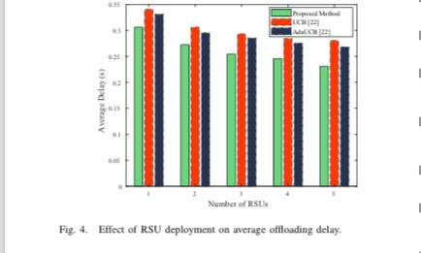 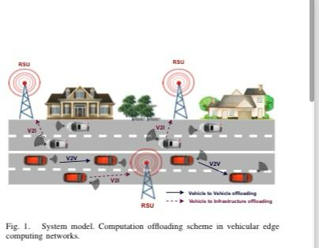 | 1
An Exploration of Users’ Thoughts on Rear-Seat Productivity in Virtual Reality | 4 | 2020 | Jingyi Li, Ceenu George, Andrea Ngao, Kai Holländer, Stefan Mayer, Andreas Butz | While people during work commute, they need to be productive, hence transportation choices are considered to be crucial for them as they need to be more relaxed in order to produce affective ideas. The problem is, given the limited space, how will interfaces make them productive, but also keep them aware of the essentials of their surroundings | ACM (Association for Computing Machinery) | Conference | AutomotiveUI ’20 Adjunct | Virtual Reality; HMD; Rear-Seat Productivity; Commute. | Virtual Reality; HMD; Rear-Seat Productivity; Commute. | Explore rear-seat passenger productivity in virtual reality (VR) environments and to investigate user expectations regarding the use of head-mounted displays (HMDs) for productivity tasks while commuting | The need for ongoing research and discourse in the design and implementation of VR productivity applications in automotive contexts. |  | 1.Recruitment of Participants 2.Conducting Interviews 3.Data Collection 4.Thematic Analysis 5.Development of Framework 6.Discourse and Future Work | 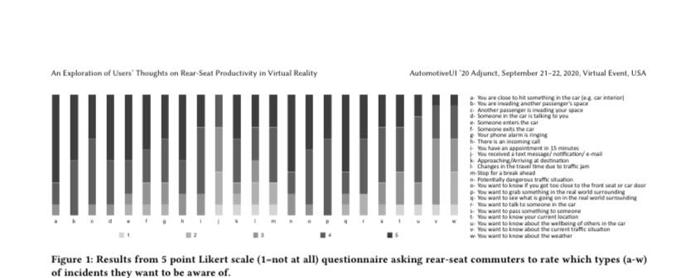 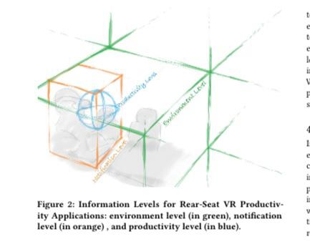 | 2
Joint Order Dispatching and Vehicle Repositioning for Dynamic Ridesharing | 5 | 2024 | Zhidan Liu, Guofeng Ouyang, Bolin Zhang, Bo Du, Chao Chen | Improving dynamic ridesharing by finding the best way to assign rides and move vehicles around. Which is referred to Joint Order Dispatching and Vehicle Repositioning (JODR) | IEEE |  |  | Dynamic ridesharing, order dispatching, vehicle repositioning, mobility value | Dynamic ridesharing, order dispatching, vehicle repositioning, mobility value | Propose a novel joint optimization framework called JODR (Joint Order Dispatching and Vehicle Repositioning) for dynamic ridesharing in order to: 1.Enhance Ridesharing Efficiency 2.Ensure High-Quality Service 3.Balance Supply and Demand 4.Utilize a Mobility Value Function 5.Optimize Decision-Making |  | Joint Optimization Framework (JODR): This is the core technique proposed in the paper, designed to enhance ridesharing efficiency by simultaneously optimizing order dispatching and vehicle repositioning. It utilizes a minimum-cost maximum-flow problem formulation to derive optimal order-vehicle assignments based on several factors, including demand direction and vehicle capacity . Mobility Value Function: A novel mobility value function is introduced, which predicts the long-term mobility value of matching an order with its travel direction. This function plays a critical role in decision-making by assessing the potential future demand and aligning vehicle positioning with that demand . Batch-based Order Dispatching: The study adopts a batch-based processing model that collects a batch of ride orders within a specific time window (sliding time window) to improve the overall dispatching and repositioning effectiveness, addressing limitations of real-time dispatching methods . Mobility Clustering: This technique involves dividing a batch of orders into fine-grained groups based on their travel directions. This helps improve efficiency by ensuring that vehicles are dispatched in a way that aligns with their remaining capacity and the overall direction of demand . Probabilistic Repositioning: The method employs a probabilistic approach to determine the repositioning probability for idle vehicles to specific grid locations, enhancing the chances of directed and efficient vehicle allocation . Reinforcement Learning: The paper mentions that many existing studies have utilized deep reinforcement learning techniques to derive vehicle repositioning policies. While JODR incorporates both explicit and implicit vehicle repositioning strategies, these existing works have often focused on model-free policies based on reinforcement learning . Synthetic Order Generation: To enrich the experimental dataset, the authors also utilized a synthetic order generation tech |  | 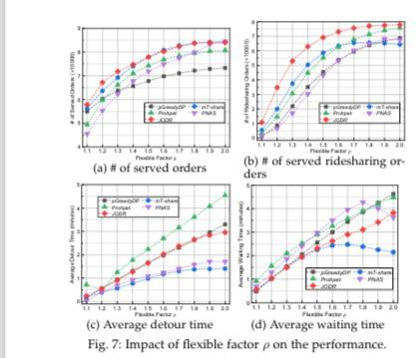 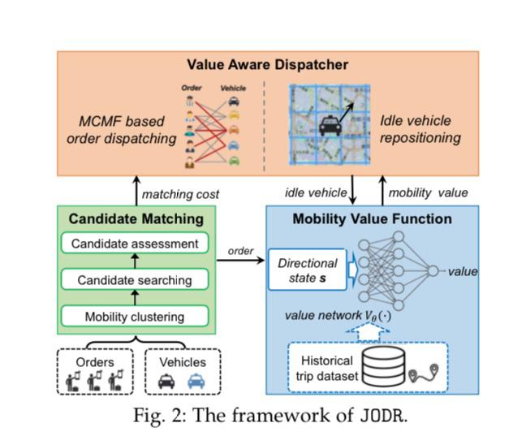 | 2
Dispatch of autonomous vehicles for taxi services: A deep reinforcement learning approach | 6 | 2020 | Chao Mao, Yulin Liu, Zuo-Jun (Max) Shen | The imbalance supply and demand in autunomous taxis dispatching systems that are either spatial or temporal making travel patterns asymmetric where at certain times during a day, vehicles are clustered causing less satisfaction for customer demand | Transportation Research Part C | Journal | Transportation Research Part C: Emerging Technologies | Taxi dispatching Demand rebalancing Deep reinforcement learning Actor-critic algorithm Policy-gradient Autonomous vehicles Ride sharing | Taxi dispatching Demand rebalancing Deep reinforcement learning Actor-critic algorithm Policy-gradient Autonomous vehicles Ride sharing | Develop a novel deep reinforcement learning framework to optimize the dispatch of autonomous vehicles for taxi services. The system uses two AI models (actor-critic algorithm) — one to decide the best way to assign vehicles to passengers (policy function)and another to guess how good or costly that decision will be over time (value function). These two models work together to keep improving the decisions. | Scaling the Model: Adapt the centralized policy developed in the paper to larger-scale transportation networks, which presents challenges due to the increasing state and action space. This might include using recurrent neural networks (RNNs) or graph neural networks (GNNs) for better scalability and efficiency. Enhancing Ride Sharing Policies: Investigate the impacts of ride sharing on the dispatch strategy, assessing how shared trips might allow for more cost-efficient vehicle management through trip matching | 1. Deep Reinforcement Learning (DRL): The paper proposes a model-free DRL framework using an actor-critic algorithm to solve the taxi dispatch problem by optimizing vehicle rebalancing strategies based on learned policies. 2. Actor-Critic Algorithm: A specific form of policy gradient method used to enhance the efficiency of learning optimal dispatch strategies. The algorithm includes two components: - The actor, which provides the optimal dispatch strategy. - The critic, which evaluates the expected costs associated with each action taken by the actor. 3. Simulation Models: The experiments utilized simulations to create controlled environments for evaluating the proposed algorithms' performance under various scenarios of demand and supply dynamics | 1.Problem Formulation 2.Algorithm Development 3.Simulation Setup 4.Experimental Evaluation 5.Analysis of Results 6.Conclusions and Future Directions | 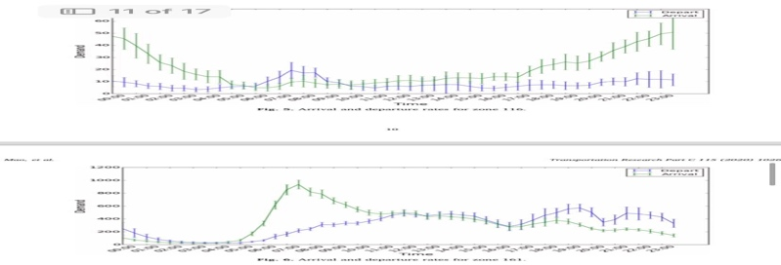 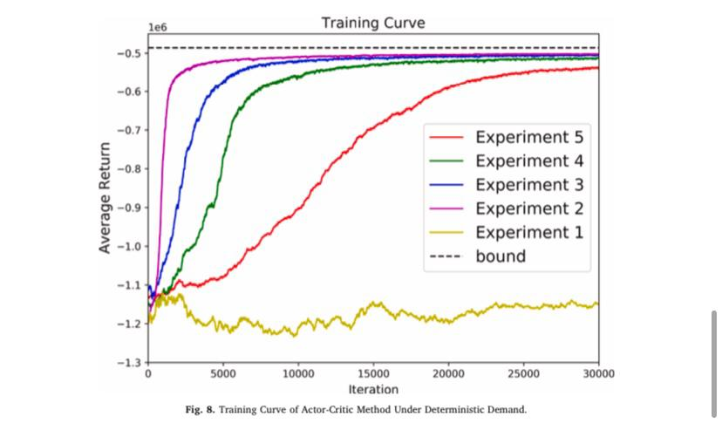 | 3
Ride matching and vehicle routing for on-demand mobility services | 7 | 2022 | Sepide Lotfi, Khaled Abdelghany | Challenge of efficiently matching ride requests to available vehicles in real-time while integrating ridesharing and transfer options within On-Demand Mobility Services (ODMS). Dynamic and Unpredictable Demand: The demand for rides is not known in advance, leading to difficulties in planning and efficiently responding to real-time requests . Vehicle Routing with Time Constraints: The problem is a complex version of the vehicle routing problem, which includes time window constraints for pickups and drop-offs. This complexity grows significantly as the number of vehicles and passengers increases, making it computationally challenging to find optimal solutions quickly . Passenger Preference Variability: Passengers have different preferences regarding ridesharing and the willingness to transfer to different vehicles. This heterogeneity complicates the matching process and affects service delivery | Springer Nature 2022 | Journal | Journal of Heuristics | On-demand mobility, Ridesharing, Transfer , Heuristics | On-demand mobility, Ridesharing, Transfer , Heuristics | develop a novel methodology for integrated ride matching and vehicle routing within On-Demand Mobility Services (ODMS) that incorporates ridesharing and transfer options that includes: 1.Real-Time Response Capability 2.Periodic Re-Evaluation 3.Integration of Ridesharing and Transfer Options 4.Account for Heterogeneity in Passenger Preferences 5.Increase Profitability | Future research should focus on integrating On-Demand Mobility Services (ODMS) with existing public transportation systems to enhance accessibility and convenience for users and to explore additional service options beyond ridesharing and transfers to further optimize passenger service and operational efficiency. Improving demand prediction models could significantly enhance the effectiveness of the proposed methodology, allowing for better preparation for ride requests.Future studies should examine the methodology's performance under various operational scenarios, including different levels of demand and passenger preferences. | 1. Hybrid Heuristic Approach: The paper utilizes a hybrid heuristic approach that combines different strategies to solve the ride matching and vehicle routing problem efficiently. 2. Myopic-based Heuristic: This technique allows for a fast response to individual ride requests following a First-Come-First-Serve (FCFS) rule, activated upon receiving new ride requests. 3. Greedy-based Heuristic: This is used for re-optimizing previous service commitments periodically at pre-defined activation intervals, improving overall service efficiency. 4. Horizon-Rollback Procedure: Implemented to periodically re-optimize generated solutions, thus improving service by considering changes in demand dynamics over time. | 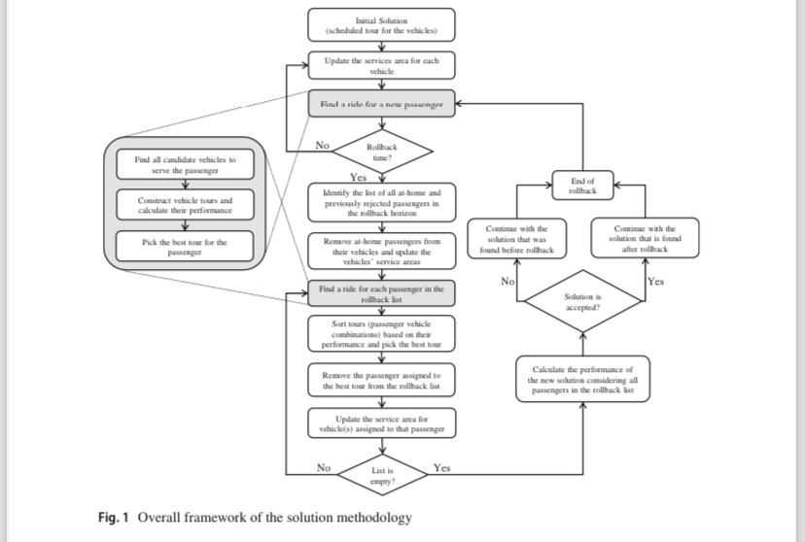 1.Initial Solution Generation 2.Ride Request Processing 3.Candidate Vehicle Selection 4.Route Adjustment 5.Rollback Procedure 6.Final Itinerary Construction 7.Continuous Monitoring and Adaptation |  | 4
Virtual Immersive Reality based Analysis of Behavioral Responses in Connected and Autonomous Vehicle Environment | 8 | 2019 | Shadi Djavadian, Bilal Farooq, Rafael Vasquez, Grace Yip | Growing issues related to traffic congestion, accidents, and greenhouse gas emissions resulting from increased car ownership. How the rise in road transportation emissions and related costs has prompted transportation engineers and planners to seek innovative solutions. The main idea is how to maintain the adaptation and acceptance of connected and autonomous vehicles (CAVs) and dynamic traffic routing systems (like E2ECAV) by drivers | IATBE Book: Mapping the Travel Behavior Genome The Role of Disruptive Technologies, Automation, and Experimentation | conference | Intelligent Transportation Systems Canada Annual General Meeting 2018 Conference | virtual immersive reality environment, laboratory experiment, driver behaviour, discrete choice model, connected and autonomous vehicles, distributed routing, intelligent intersections | virtual immersive reality environment, laboratory experiment, driver behaviour, discrete choice model, connected and autonomous vehicles, distributed routing, intelligent intersections | the factors influencing drivers' willingness to adapt to a dynamic distributed end-to-end vehicle routing system (E2ECAV) in a connected and autonomous vehicle environment. | Investigating joint diffusion and latent class models combined with mixed logit models for choice estimation to better understand drivers' adaptation over time to new alternatives like CAVs. Use diffusion models to forecast long-term adoption and acceptance of autonomous vehicles. A call for refining traffic simulation models to more accurately represent congestion dynamics between connected and autonomous vehicles and human-driven vehicles, ensuring that the experiments align closely with real-world traffic conditions. | 1. Stated Preference (SP) Experiments: The study uses stated preference laboratory experiments designed to assess factors influencing travelers' acceptance of connected and autonomous vehicles (CAVs). 2. Virtual Immersive Reality Environment (VIRE) Driving Simulator: The research utilizes a VIRE driving simulator to investigate driver behavior and willingness to adapt to new routing systems. 3. Binary Logit Model: The paper employs a binary logit model to analyze travelers' behavior and their adaptation to CAVs based on preliminary results from the pilot study. | 1.Design of Stated Preference Experiments 2.Learning Session 3.Actual Experiment Sessions 4.Data Analysis 5.Future Work Directions | 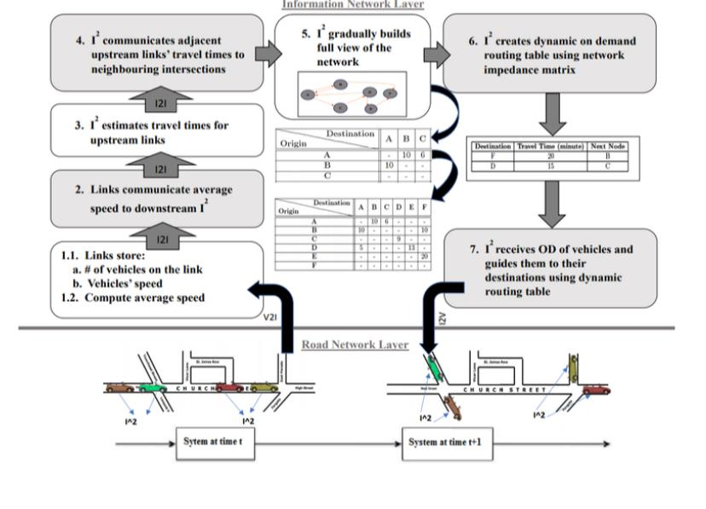
Predictive Routing for Autonomous Mobility-on-Demand Systems with Ride-Sharing | 9 | 2017 | Javier Alonso-Mora, Alex Wallar and Daniela Rus | Efficient routing and assigning requests to autonomous vehicles in ride-sharing systems | Proceedings of the National Academy of Sciences (PNAS) | Journal | Proceedings of the National Academy of Sciences (PNAS) | Mobility-on-demand systems Ride-sharing Vehicle routing Request assignment Future demand prediction Fleet management Autonomous vehicles Optimization Real-time request matching | Mobility-on-demand systems Ride-sharing Vehicle routing Request assignment Future demand prediction Fleet management Autonomous vehicles Optimization Real-time request matching | Develop a dynamic vehicle routing and request assignment method for autonomous ride-sharing systems that leverages historical data to predict future demand | Improve the proposed method for vehicle routing and request assignment in autonomous ride-sharing systems: 1.Enhanced Rebalancing Strategies 2.More Accurate Demand Predictions 3.Online Adaptation 4.Reduction of Computational Load 5.Applications Beyond Ride-Sharing | 1.Constrained Optimization Method: A central technique is a constrained optimization approach that assigns passenger requests to vehicles while taking into account future demand to minimize costs associated with service delivery. 2.Historical Data Analysis: The method relies on analyzing historical data to compute a probability distribution over future demand. This analysis helps in predicting the number of ride requests from various origins to different destinations at different times . 3.Sampling Future Requests: During each assignment round, the system samples future requests from the predicted demand distribution. These samples are then integrated into the routing and assignment problem, allowing for a more informed approach than merely reacting to current requests. 4.Graph-Based Representation: The paper employs a graph-like structure (referred to as RTV-graph) to model potential trips and vehicles capable of executing them. This graph representation aids in optimizing the assignment of vehicles to requests. 5.Real-time Processing Capability: The proposed method is designed to handle real-time assignments for a large number of vehicles and requests, allowing for efficient management of the fleet and minimizing the passenger waiting time. 6.Vehicle Rebalancing Mechanism: A strategy to rebalance idle vehicles is incorporated, which involves directing vehicles to areas where they are likely to receive future requests, further optimizing fleet positioning. | 1.Demand Prediction 2.Request-Vehicle Shareability Graph (RV-graph) Construction 3.Feasible Trips Graph (RTV-graph) Construction 4.Integer Linear Program (ILP) Optimization 5.Rebalancing Idle Vehicles 6.Dynamic Refinement | 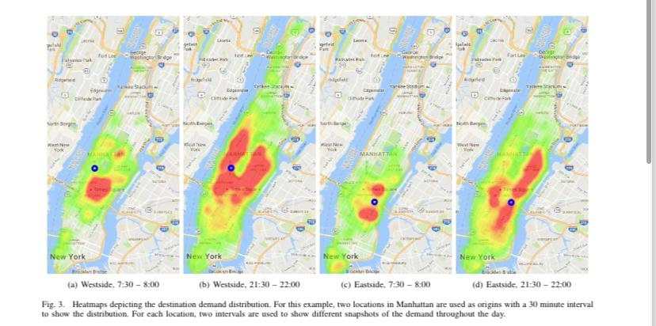 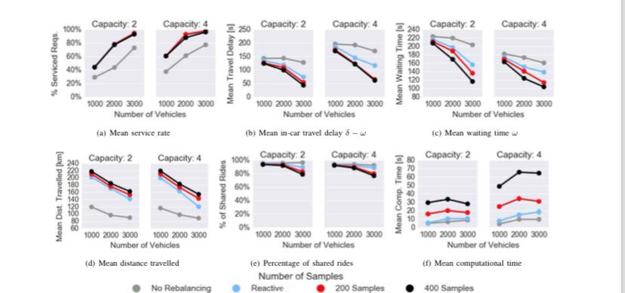 | 3
Virtual Reality and Transport: A Short Review | 10 | 2022 | Filip Vrbanić, Edouard Ivanjko, and Slaven Gašpar | The limitations of current validation and certification processes in the transport sector, highlighting that these processes are often time-consuming and costly. A significant issue is that test scenarios and cases are neither repeatable nor reproducible, which is critical for effective testing and certification. | 33rd Central European Conference on Information and Intelligent Systems (CECIIS) | Conference | 33rd Central European Conference on Information and Intelligent Systems (CECIIS) | Virtual Reality, Road Traffic, Smart City, Logistics | Virtual Reality, Road Traffic, Smart City, Logistics | Create a short review of the most important applications of virtual reality (VR) in the transport sector in order to analyze various VR technologies and their potential in improving simulation approaches, enhancing smart city concepts, and optimizing logistics within the transportation domain | Further integration of virtual reality (VR) technologies with other new technologies, such as digital twin technology. VR has the potential to become a vital tool for addressing current challenges in the transport sector, making transportation networks more intelligent, integrated, sustainable, and resilient to disturbances | Simulation Techniques: VR systems use both purely simulated test systems where all components (like the vehicle, road, and traffic) are modeled in a virtual environment, and Hardware-In-the-Loop (HIL) testing, where real components are tested within a simulated environment to evaluate performance . Traffic Simulation: VR can create virtual environments to simulate various traffic scenarios, allowing planners to modify parameters such as signal timing, traffic flow, and vehicle types to evaluate potential changes before implementing them in the real world . Immersive Environments: Advanced VR systems provide immersive experiences by enabling users to interact with a 3D representation of the environment, facilitating better understanding and engagement in traffic planning and driver training , . User Interaction Analysis: VR systems can analyze user behaviors and interactions in simulated driving experiences, using criteria such as simulation satisfaction and the effectiveness of learning outcomes to refine training methods . Integration with Smart City Systems: The development of VR frameworks that integrate real-time data from sensors allows for ongoing adjustments to traffic flows and improved decision-making in smart city contexts, leveraging immersive VR for urban planning and management | 1.Historical Development of VR 2.Early VR Concepts 3.Advancements in Computing Power 4.Modern VR Systems and Interfaces 5.Mass Adoption and Applications 6.Integration of Advanced Technologies |  | 4 | Virtual reality (VR) could address these problems by providing more realistic and efficient testing and validation environments, thus supporting better simulations, traffic management, and logistics solutions
Conducting Stated Choice Experiments within an Immersive Virtual Reality Environment: an Application to the Discrete Choice of Automated versus Normal Tax | 11 | 2024 | Hao Yin, Elisabetta Cherchi | There is a survey about Normal taxis and an autonomous taxi and there is a decision being made from this survey, while the results of the survey may be biased because participants may not be familiar with autonomous taxis and how they work. | Transportation Research Procedia | Conference | 12th International Conference on Transport Survey Methods | VR, Automated taxis, Self choice (SC), User preference | VR, Automated taxis, Self choice (SC), User preference | People's preference when when choosing between normal taxis and self-driving taxis using VR | More research and trials are needed between VR experiments and normal surveys in order to have solid results about understanding the effect of VR on people's decisions |  | 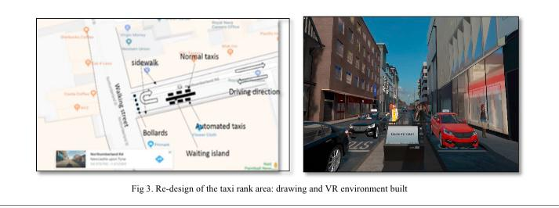 | 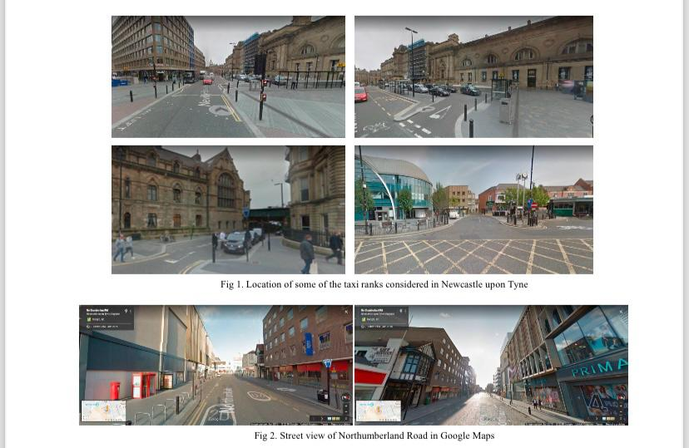
Swarm manipulation: An efficient and accurate technique for multi-object manipulation in virtual reality | 12 | 2023 | Xiang Li, Jin-Du Wang, John J. Dudley, Per Ola Kristensson | How hard it is to control many virtual objects in virtual reality (VR), yet Swarm control could help with this, but Cost limitations such as harware and infrastructure make it complicated | Association for Computing Machinery | conference | Proceedings of the 2023 ACM symposium on spatial user interaction | VR, Swarm Interaction, Swarm manipulation | VR, Swarm Interaction, Swarm manipulation | Introducing a swarm manipulation technique for controlling multiple virtual objects in virtual reality (VR), in order to increase user interaction and experience. | Suggests further investigations how users control the swarm better Enhance realism and feedback in VR | Novel swarm manipulation technique compared with 2 baseline techniques (Virtual Hand & Controller (ray-casting)) |  | 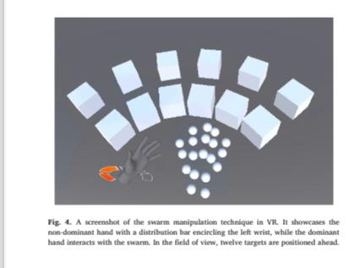 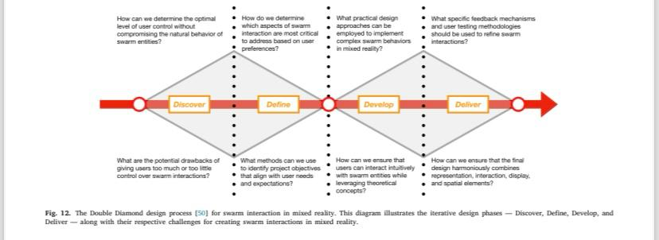 | 2
A Wizard of Oz Field Study to Understand Non-DrivingRelated Activities, Trust, and Acceptance of Automated Vehicles | 13 | 2020 | Henrik Detjen, Bastian Pfleging, Stefan Schneegass | Wwhat passengers do when they’re not driving in self-driving cars, like Robo-Taxis. It looks at how much people trust and like these cars. If the car and its services are designed well, passengers could have a much better and more comfortable travel experience than in regular cars. But if the design isn’t good, people might not use the car’s full benefits, and their experience could feel the same as riding in a normal car. | Association for Computing Machinery, Inc. (ACM) | Conference | Automotive User Interfaces and Interactive Vehicular Applications | Highly Automated Driving, Autonomous Vehicles, Robo-Taxis, Field Study, Real-World Driving, Wizard of Oz Experiment, Non-DrivingRelated Activities, Travel-Based Multitasking, Travel Time Use, User Acceptance, Automation Trust. | Highly Automated Driving, Autonomous Vehicles, Robo-Taxis, Field Study, Real-World Driving, Wizard of Oz Experiment, Non-DrivingRelated Activities, Travel-Based Multitasking, Travel Time Use, User Acceptance, Automation Trust. | To understand more of non related driving activites and to explore of the user experience in terms of trust in automation and accpetance automated vehivles. The goal is to see how trust in automation can influence user's behavior and how accpetance ofautomated technolgies give factors that influence their attitude towards the system. | More user experience studies are needed with detailed analysis of their activities. More studies and research are needed to understand more the acceptance models and the effect of the trip duration on their attitudes. | 1.Wizard of Oz (WoZ) Method: This technique involves simulating the experience of automated vehicles by having a human operator (the "wizard") control the vehicle while participants believe it is fully automated. This allows researchers to observe user behavior in a realistic context without having fully operational automated vehicles. 2.Real-World Driving Study: Participants were exposed to multiple real-world rides in the vehicle, allowing for the collection of authentic data on their behavior, trust levels, and acceptance of automation over time. | 1.Preparation Stage -Participant Recruitment -Introductory Session 2.Survey and Data Collection Stage -Initial Questionnaire -Ride Scheduling 3.Real-World Riding Stage -Execution of Rides -Video Observations 4.Post-Ride Assessment Stage -Post-Ride Questionnaire -Final Interview Session 5.Debriefing Stage 6.Analysis Stage - Data Analysis | 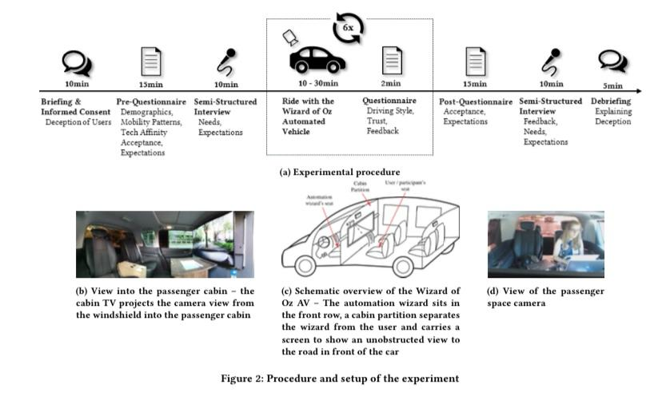 | 3 | Several propositions were mentioned related to the user experience, trust and acceptance of automated vehicles. They all focus on the interaction between users and automated vehicles. 1.Trust in Automation 2. Learned Trust: 3.User Engagement in NDRAs 4.Deception and Behavior 5.Diversity of User Experiences | Statistical Tools, Data Analysis Tools, Semi-Structured Interviews, Video Recording Equipment and Wizard of Oz (WoZ) Setup |  | 1.AV Acceptance Model (AVAM) 2.Trust Models -Dispositional Trust -Situational Trust -Learned Trust 3.Task-Artifact Cycle 4.User Acceptance Models
Drive Right: Shaping Public’s Trust, Understanding, and Preference Towards Autonomous Vehicles Using a Virtual Reality Driving Simulator | 14 | 2023 | Zhijie Qiao, Xiatao Sun, Helen Loeb, Rahul Mangharam | The misunderstanding and mistrust that people have towards autonomous vehicles, which are major obstacles to their adoption. | Mobility 21 University Transportation Center at Carnegie Mellon University | Conference | Mobility 21 University Transportation Center at Carnegie Mellon University | Autonomous vehicles Virtual Reality Training Education Trust User acceptance Driving simulator Public perception Attitude shift | Autonomous vehicles Virtual Reality Training Education Trust User acceptance Driving simulator Public perception Attitude shift | To introduce a virtual reality driving simulator as a method to increase public understanding and awareness of autonomous vehicles. The simulator aims to help drivers evaluate the autonomous system rationally and improve training for autonomous vehicles. | Focus on promoting safe autonomous vehicle education, training, and demonstration using simulators. And exploring users' preferences for different autonomous vehicle behaviors and the impact of these behaviors on safety perception and comfort levels. |  |  | 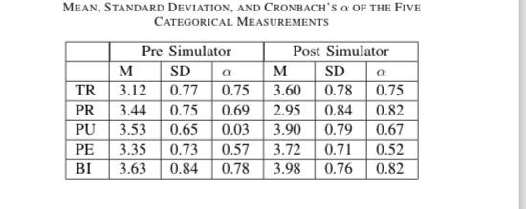 | 3 | Some participants proposed having all three autonomous vehicle behaviors available for selection based on timing, safety perception, and comfort levels. Another group suggested primarily using the aggressive behavior, questioning the need for prioritizing safety over speed. A few participants expressed a preference for solely using the aggressive behavior in autonomous vehicles, emphasizing the desire to drive as fast as possible. | Logitech G29 Steering Wheel and Pedal Set, CARLA Simulator, Audi A6 Model from Car Configurator, and Wilcoxon Signed-Rank Test |  | The Technology Acceptance Model (TAM), Autonomous Vehicle Acceptance Model (AVAM), and the Universal Theory of Usage and Acceptance of Technology (UTAUT) to develop questions based on five categories: Trust (TR), Perceived Risk (PR), Perceived Usefulness (PU), Perceived Ease-of-Use (PE), and Behavioral Intention (BI). These categories were evaluated using a five-point Likert scale ranging from strongly disagree to strongly agree.
Remote Monitoring and Teleoperation of Autonomous Vehicles—Is Virtual Reality an Option? | 15 | 2023 | Snehanjali Kalamkar, Verena Biener1, Fabian Beck, Jens Grubert | The significant performance drop and increased task load when combining teleoperation and monitoring tasks, which suggests that these tasks should not be performed simultaneously due to the negative impact on user effectiveness and safety. | IEEE | Conference |  | Human-centered computing, Virtual Reality, Visualization, Teleoperation, Monitoring, Autonomous Vehicles | Human-centered computing, Virtual Reality, Visualization, Teleoperation, Monitoring, Autonomous Vehicles | Explore whether Virtual Reality (VR) can be a good option for remotely monitoring and controlling autonomous vehicles. It compares a VR-based system to an existing physical control system used in industry and studies the benefits and challenges of using VR for these tasks. | Avoid Joint Monitoring and Teleoperation for a Single Operator Use of VR Interfaces Shorter Work Sessions in VR Technological Improvements Optimization of VR Interfaces Context-Specific Tasks Use of 360° and Stereo Images Spatial Views for Monitoring | Go/No-Go Inspired Experiment: In Study 1, a go/no-go inspired experiment was designed where participants had to react to relevant stimuli (alerts) while ignoring distractor stimuli in both monitoring-only and joint monitoring and teleoperation tasks. Repeated Measures Analysis of Variance (RM-ANOVA): This statistical technique was used to analyze the influence of different interfaces and scenarios on various dependent variables such as miss rate, reaction time, error rate, task load, and simulator sickness. Aligned Rank Transform: For non-normal subjective data, the Aligned Rank Transform was applied before performing RM-ANOVA to ensure the robustness of the analysis. Two One-Sided Tests (TOST): This technique was used to test the equivalence between conditions, particularly for reaction times in different interfaces. System Usability Scale (SUS): A standardized questionnaire was used to measure the usability of the different interfaces. | 1.Study Design and Preparation Pilot Study Apparatus Setup Task Design 2.Participant Recruitment and Demographics Recruitment Demographic Data Collection 3.Study Execution Training Session Condition Execution Data Collection 4.Post-Condition Procedures Questionnaires Semi-Structured Interviews 5.Data Analysis Statistical Analysis Qualitative Analysis 6.Follow-Up Studies Study 2 Study 3 7.Discussion and Recommendations Interpretation of Results Future Recommendations |  | 3 | Avoid Joint Monitoring and Teleoperation for a Single Operator where future systems should avoid assigning both monitoring and teleoperation tasks to a single operator due to the significant performance degradation observed (more than 25% missed alerts). mprove VR Interfaces with Next-Generation Technology where future research should focus on improving VR interfaces by leveraging next-generation VR headsets with better resolution, lighter weight, and larger fields of view. | CARLA Simulator Unreal Engine (UE) 4.27 HTC Vive Pro 2 Meta Quest Pro G*Power System Usability Scale (SUS) NASA Task Load Index (TLX) Simulator Sickness Questionnaire (SSQ) Igroup Presence Questionnaire (IPQ) Thrustmaster T300 Steering Wheel and Pedals Statistical Analysis Tools
TRAVERSE: Traffic-Responsive Autonomous Vehicle Experience & Rare-event Simulation for Enhanced safet | 16 | 2024 | Sandeep Thalapanane, Sandip Sharan Senthil Kumar, Guru Nandhan Appiya Dilipkumar Peethambari, Sourang SriHari, Laura Zheng, Julio Poveda, and Ming C. Lin | There isn't enough data to teach self-driving cars how to handle rare or dangerous situations, like accidents, people crossing the street unexpectedly, or sudden stops by other vehicles. Most of the data used to train these cars is from normal, safe driving, which means the cars might not know what to do when something unusual or risky happens |  | Conference |  | Rare Events, Traffic Simulation, Autonomous Driving, Virtual Reality, User Studies | Rare Events, Traffic Simulation, Autonomous Driving, Virtual Reality, User Studies | Develop a VR-based driving simulator that can generate realistic and immersive adversarial driving scenarios in order to more collect data on human responses and behaviors in these situations. This data is important for improving the safety and performance of autonomous vehicles in unexpected or dangerous driving situations. | Further research and development are needed in areas where classification of Driving Behaviors, Long-Term Impact of Driver Decisions, User Experience Improvements and traffic engineering | Simulation: Traffic simulation (SUMO), 3D rendering (Unity), scenario customization (NHTSA scenarios). Data Collection: Hardware integration (Meta Quest Pro, Logitech G29), eye and head tracking, behavioral data collection. User Studies: Comparative studies, simulator sickness evaluation, quantitative and qualitative analysis. Optimization: Frame rate optimization, portability, and cost-effectiveness. Future Techniques: Differentiable physics, driving behavior classification. | Design and Development: Defining requirements, integrating hardware and software, and implementing pre-crash scenarios. Data Collection: Collecting data on human responses to rare-event scenarios using the simulator. User Study: Conducting comparative user studies to evaluate the simulator's effectiveness. Validation and Evaluation: Assessing the simulator's fidelity, optimizing frame rates, and analyzing user feedback. Future Work and Recommendations: Proposing future improvements, such as integrating differentiable physics and expanding the scenario library. | 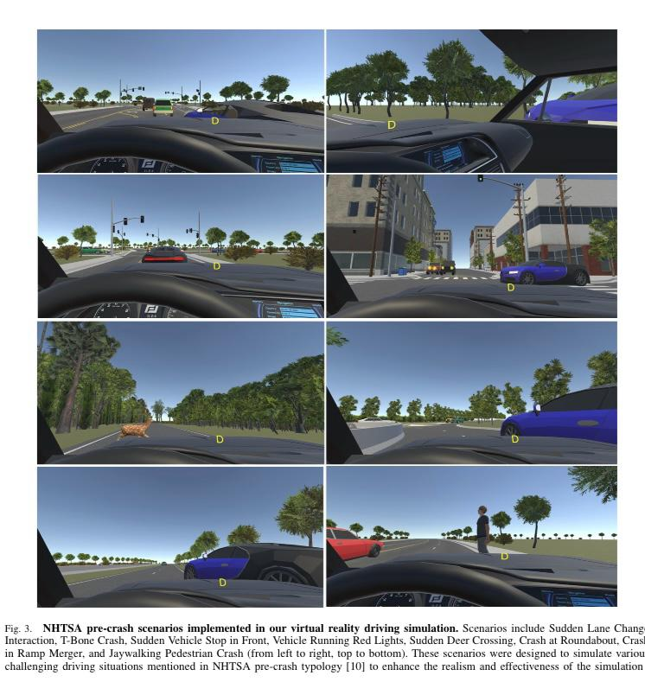 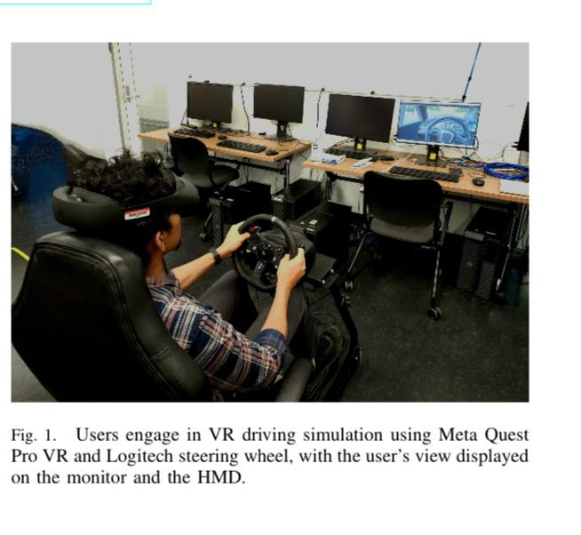 | 3 | Enable end-to-end learning of driving policies. Use machine learning for motion and trajectory prediction. Add more diverse and complex driving scenarios. Improve haptic feedback, VR resolution, and environmental effects. Study the effects of driver decisions on traffic flow. Reduce motion sickness and improve control responsiveness. Use the simulator for infrastructure and traffic management research. Facilitate testing and deployment of autonomous driving algorithms. Make the simulator accessible to a wider audience. | SUMO, Unity Game Engine, RoadRunner, Meta Quest Pro VR, Logitech G29 Steering Wheel, Simulator Sickness Questionnaire (SSQ), statistical analysis tools, NHTSA pre-crash typology, Differentiable physics tools, and machine learning tools. | Eye and Head Tracking: Meta Quest Pro VR (eye-gaze tracking, head pose tracking). Steering and Pedal Sensors: Logitech G29 steering wheel (steering angle, acceleration, brake usage). Environmental Sensors: Simulated LiDAR and cameras for environmental perception. Motion Sensors: Potential future integration for haptic feedback. | Traffic Simulation: SUMO for microscopic traffic simulation. 3D Environment: Unity Game Engine and RoadRunner for rendering realistic driving environments. Behavioral Models: Eye and head tracking models for monitoring user behavior. Scenario Models: NHTSA pre-crash scenarios for simulating rare-event driving situations. Future Models: Differentiable physics and driving behavior classification models for advanced training and analysis.
Building Trust in Autonomous Vehicles: Role of Virtual Reality Driving Simulators in HMI Design | 17 | 2020 | Lia Morra, Fabrizio Lamberti, F. Gabriele Prattico, Salvatore La Rosa, Paolo Montuschi | The challenge of establishing trust between humans and autonomous vehicles. Trust is crucial for the widespread adoption of autonomous vehicles technology, as users need to feel confident in the safety and reliability of these systems. The paper talks that Human Interaction is essential for building this trust, as it helps users form a mental model of the autonomous vehicles' capabilities and decision making processes, | IEEE TRANSACTIONS ON VEHICULAR TECHNOLOGY, | Conference | IEEE TRANSACTIONS ON VEHICULAR TECHNOLOGY, | autonomous vehicles, human-machine interaction, driving simulator, user experience, virtual reality. | autonomous vehicles, human-machine interaction, driving simulator, user experience, virtual reality. | Develop and validate a methodology for evaluating user trust and stress in autonomous vehicles through a Virtual Reality (VR)-based driving simulator. | Refine HUD Interfaces: Optimize the design of Head-Up Displays (HUDs) to provide clear, non-overwhelming information that enhances trust and reduces stress. Expand User Testing: Conduct larger and more diverse studies to generalize findings and account for different user preferences and behaviors. Conduct Longitudinal Studies: Investigate how trust and stress levels change over time as users become more familiar with autonomous vehicles. Explore Multimodal Interfaces: Incorporate additional feedback modalities (e.g., auditory or haptic cues) alongside visual information to improve user understanding and trust. Real-World Validation: Move beyond VR simulations to test HMI designs in real-world driving scenarios for more dynamic and realistic results. Personalize HMI Systems: Develop adaptive interfaces that tailor information presentation based on individual user preferences, experience levels, and stress responses. | VR-Based Driving Simulator: A virtual reality environment was used to simulate autonomous driving scenarios for controlled, immersive user testing. Physiological Signal Monitoring: Techniques like electrodermal activity (EDA), heart rate monitoring, and potentially eye tracking were used to measure user stress and trust objectively. HUD Interface Design: A Head-Up Display (HUD) was designed with user-centered and information-layering techniques to provide visual cues about the AV's decision-making process. Experimental Design: Structured experiments compared different HUD designs, combining subjective feedback (surveys) with objective metrics (physiological data). Data Analysis: Statistical methods (e.g., correlation analysis) and potentially machine learning were used to analyze data and interpret results. HMI Evaluation: Usability testing and trust metrics were employed to assess the effectiveness of the HMI design. | 1. Problem Identification 2. Research Design 3. Interface Design 4. Simulation Setup 5. User Testing 6. Data Analysis 7. Validation and Evaluation 8. Conclusion and Future Recommendations | 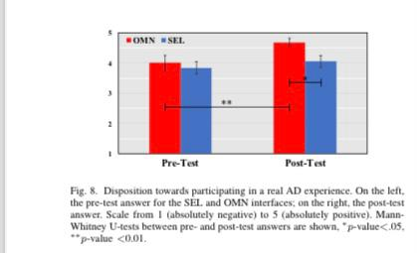  | 3 | Improve the Head-Up Display (HUD) to provide clear, adaptive, and non-overwhelming information. Combine visual cues with auditory or haptic feedback for better user understanding. Conduct larger, more diverse studies and longitudinal research to track trust over time. Move beyond VR simulations to test AV systems in real-world scenarios. Develop adaptive interfaces tailored to individual user preferences and stress levels. Investigate privacy and ethical issues related to physiological data collection. Examine how cultural differences impact trust in AVs for global applicability. Improve VR simulators with more complex driving scenarios. Create objective metrics to evaluate trust in AV systems. | VR Tools: VR driving simulators (e.g., Unity, Unreal Engine) and VR headsets (e.g., Oculus Rift) for immersive testing. Physiological Monitoring Tools: EDA sensors, heart rate monitors, and eye-tracking devices (e.g., Empatica E4, Tobii Eye Tracker) to measure stress and trust. HUD Design Tools: Interface design software (e.g., Adobe XD, Figma) and 3D modeling tools (e.g., Blender) for creating the HUD. Data Analysis Tools: Statistical software (e.g., SPSS, Python) and machine learning frameworks (e.g., TensorFlow) for analyzing data. Survey Tools: Platforms like Qualtrics or Google Forms for collecting user feedback. Simulation Tools: Driving simulation software (e.g., CARLA) for replicating AV behavior. Collaboration Tools: Project management (e.g., Trello) and documentation tools (e.g., LaTeX) for organizing and writing the research. | Physiological Sensors: EDA sensors (e.g., Empatica E4) for skin conductance (stress). Heart rate monitors (e.g., Polar) for heart rate variability (stress/relaxation). Eye-Tracking Sensors: Devices like Tobii Eye Tracker to monitor gaze and attention on the HUD interface. Motion Sensors: VR headset sensors (e.g., Oculus Rift) to track user movements and posture. Environmental Sensors: Simulated sensors in the VR driving simulator to replicate real-world conditions. Behavioral Sensors: Input devices (e.g., VR controllers) to capture user interactions with the AV system. | 1. Conceptual Model of Trust in AVs 2. User Mental Model 3. Physiological Response Model 4. Simulation Model 5. HMI Design Model 6. Data Analysis Model 6. Data Analysis Model
Virtual Testing of Automated Driving Systems. A Survey on Validation Methods | 18 | 2022 | Riccardo Dona, Biagio Ciuffo | The need for effective and reliable virtual testing environments to support the certification and type-approval of high-automation level ADS. The limitations of physical testing, such as the extensive time and cost required, and propose that virtual testing can complement or even replace physical testing in certain scenarios. However, the adoption of virtual testing for certification purposes requires rigorous validation to ensure that the simulation-generated evidence meets the necessary fidelity levels. | IEEE | Journal | IEEE Access | Automated driving, model validation, simulation, virtual testing. | Automated driving, model validation, simulation, virtual testing. | To survey and summarize the state-of-the-art contributions that support the validation of virtual testing toolchains for Automated Driving Systems (ADS). Highlight the limitations of physical testing for ADS certification and emphasize the need for virtual testing as a complementary or alternative approach. Review computational tools and validation methodologies used in virtual testing, focusing on the fidelity levels delivered by simulation toolchains. Establish how effectively simulation can serve as a "virtual proving ground" for ADS certification, independent of specific ADS implementations or functionalities. Identify high-level validation schemas (e.g., integrated environment and subsystem-based solutions) and discuss the challenges associated with validating virtual sensors and closed-loop interactions in ADS simulations. | improving validation methodologies and addressing gaps in current practices which includes - Improving Validation of Virtual Sensors -Addressing Closed-Loop Interaction Challenges -Developing Robust Sensitivity and Uncertainty Analysis -Standardizing Validation Frameworks -Enhancing Virtual World Models -Integrating Verification and Validation (V&V) Practices -Exploring Hybrid Validation Approaches -Addressing Computational Challenges | Graphical comparisons, statistical tests, sensitivity analysis, uncertainty quantification, validate virtual testing environments for ADS. | starting from conceptual validation to ensure the model's theoretical correctness, followed by response analysis to quantify discrepancies, sensitivity analysis to identify critical parameters, and uncertainty quantification to account for variability. The process also includes the validation of individual submodels (e.g., sensors, vehicle dynamics) and the integrated system to ensure the overall fidelity of the simulation environment. Finally, credibility analysis is conducted to enhance confidence in the virtual toolchain. | 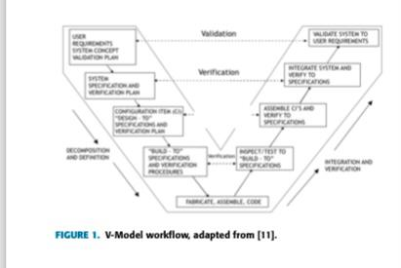 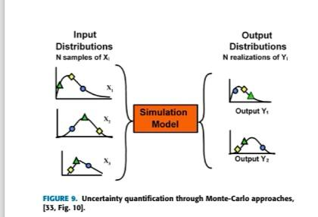 | 3 | A range of improvements are needed to advance the validation of virtual testing toolchains for ADS. These include standardizing validation frameworks, improving virtual sensor models, enhancing virtual world models, and integrating robust sensitivity and uncertainty analysis methods. | graphical comparison tools, statistical analysis software, sensitivity analysis tools, uncertainty quantification tools, and specialized software for validating virtual submodels |  | Sensor models, vehicle dynamics models, and virtual world models.
The Role of Virtual Reality in Autonomous Vehicles’ Safety | 19 | 2019 | Alexandre M. Nascimento, Anna Carolina M. Queiroz, Lucio F. Vismari, Jeremy N. Bailenson, Paulo S. Cugnasca, João B. Camargo Junior and Jorge R. de Almeida Jr | The safety challenges associated with Automated vehicles, as highlighted by recent accidents involving Automated vehicles, such as those involving Uber and Tesla. These incidents have raised concerns about the current state of Automated vehicles safety and the need for more effective testing, verification, and validation methods to ensure Automated vehicles can operate safely in real-world conditions. | IEEE | Conference | 2019 IEEE International Conference on Artificial Intelligence and Virtual Reality | Autonomous vehicles, virtual reality, safety | Autonomous vehicles, virtual reality, safety | Eplore how VR can contribute to the development of safer automated vehicles |  |  |  | 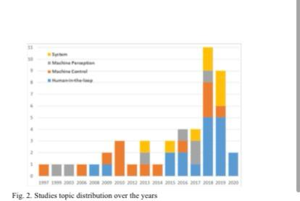 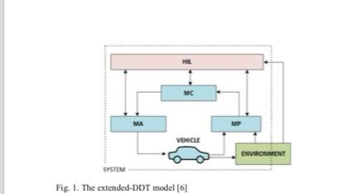 | 2 | Expand machine-centered VR applications for training AV algorithms. Leverage VR for scalable and cost-effective testing of diverse and complex scenarios. Enhance human-AV interaction studies to improve trust and safety. Develop advanced VR tools for AV verification and validation. Promote cross-disciplinary collaboration to explore new VR applications in AV safety. Investigate ethical and moral dilemmas in AV decision-making. Improve realism and immersion in VR environments for better testing outcomes. Use VR for training and education of users interacting with AVs. Develop standardized testing protocols for VR-based AV testing. | Driving Simulators Head-Mounted Displays (HMDs) Motion Tracking Systems Virtual Sensors | Virtual Sensors in VR Simulations Real Sensors Integrated with VR Sensors for Human-AV Interaction Studies Sensors for Environmental Simulation | Extended DDT Model: Framework for categorizing AV tasks (Perception, Control, Actuation) and human-AV interactions. Human Behavior Models: Simulate pedestrian and driver behavior in VR environments. Control System Models: Simulate AV decision-making and control in scenarios like path planning, intersection management, and platooning. Perception System Models: Simulate AV perception and sensor fusion in VR environments. Moral and Ethical Decision-Making Models: Simulate AV decision-making in ethical dilemmas. System-Level Models: Simulate overall AV behavior in complex environments for verification and validation.
VIRTUAL SIMULATIONS ENVIRONMENT DEVELOPMENT FOR AUTONOMOUS VEHICLES INTERACTION | 20 | 2020 | Mohsen Malayjerdi, Vladimir Kuts, Raivo Sell, Tauno Otto, Barış Cem Baykara | The safety validation of autonomous vehicles (AGVs) and their interaction with other road users. Real-road testing for safety validation is impractical due to its time-consuming and costly nature. | ASME 2020 International Mechanical Engineering Congress and Exposition | Conference | ASME 2020 International Mechanical Engineering Congress and Exposition | Virtual environment, interaction, simulations, safety, Autonomous Vehicle | Virtual environment, interaction, simulations, safety, Autonomous Vehicle | To develop an effective method for creating a virtual environment to perform simulations on industrial robots, mobile robots, and autonomous vehicles (AGVs) from a safety perspective for humans. | Develop Test Methods and KPIs: Create standardized metrics for evaluating human-robot interaction (HRI) in autonomous systems. Integrate Metrics into Virtual Test Bench: Use Virtual Reality (VR) toolkits to simulate human presence for comprehensive testing. Conduct Experiments: Perform experiments with integrated metrics and UAV models in a digital environment to optimize physical AGVs. Optimize AGVs: Use simulation results to improve the safety and efficiency of real-world autonomous vehicles. Address Mapping Challenges: Overcome issues related to weather, battery management, and logistics in UAV-based mapping. | Photogrammetry: Capturing aerial images with a drone and processing them to create a detailed 3D point cloud. 3D Environment Creation: Using Unity to build a realistic virtual environment from the point cloud data. Simulation and Testing: Employing the LGSVL simulator and Autoware framework to test autonomous driving software in various scenarios. Safety Validation: Conducting scenario-based tests, including high-risk situations, to validate control algorithms. Data Interpolation: Filling gaps in the terrain data to ensure a complete virtual environment. | Data Capture Point Cloud Processing Environment Creation Simulation Setup Testing and Validation Optimization and Future Work | 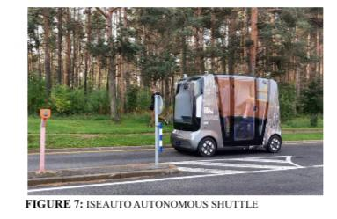 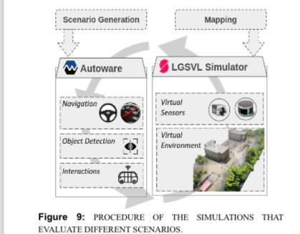 | 3 | Emphasizes the development of virtual simulation environments for testing autonomous vehicles and their interaction with humans by Developing advanced methods for human-robot interaction (HRI) safety validation through immersive simulation technologies. Building digital twins of real-world environments to improve testing and development for autonomous vehicles. Creating efficient mapping techniques and simulation environments to reduce time and costs compared to real-world testing. | Drones (UAVs) LiDAR Sensors Photogrammetry Software (like Metashape Pro) Unity Game Engine LGSVL Simulator Autoware (ROS-based framework) | LiDAR Sensor RGB Camera (Drone-Mounted) GPS (Global Positioning System) IMU (Inertial Measurement Unit) Virtual Sensors (in the Simulation) | Digital Twin (DT) Model Autonomous Ground Vehicle (AGV) Model 3D Terrain and Object Models | Aerial Imagery Dataset LiDAR Point-Cloud Data Classified Point-Cloud Data
The Use of Virtual Reality Technology in Intelligent Transportation Systems Education | 21 | 2023 | Caner Pense,Mehmet Tekta, Hassan Kanj and Nawaf Ali | The challenges and potential of using Virtual Reality (VR) technology in Intelligent Transportation Systems (ITS) education. Specifically, it addresses several issue Quality of Education, Implementation Challenge, User Experience, Evaluation of Experiences and Evaluation of Experiences | MDPI | Journal | Sustainability | virtual reality in education; virtual reality assisted simulation; intelligent transportation system | virtual reality in education; virtual reality assisted simulation; intelligent transportation system | explore how Virtual Reality (VR) technology can be effectively utilized in Intelligent Transportation Systems (ITS) education. This involves determining which courses in the curriculum would be suitable for VR assistance and conducting a preliminary experiment to assess the benefits and drawbacks of VR technology in these courses | The focus in enhancing the VR technology in the ITS educatio technology by improving user interface, making modifications in the curriculum and conducting quantitative analyses of quiz, test, and questionnaire results to measure the effects of using VR technology in ITS education. | Preliminary Experimentation: A preliminary experiment was conducted in an ITS laboratory where students interacted with a 3D model using simulation software (PTV Vissim) to assess the benefits and drawbacks of VR technology . SWOT Analysis: The authors performed a SWOT analysis (Strengths, Weaknesses, Opportunities, Threats) to understand the implementation method and the student experience with VR technology . User Experience Measurement: The study proposed using the NASA Task Load Index (NASA-TLX) questionnaire to capture students' subjective experiences, which helps gauge the workload and performance impact of VR-assisted education . Performance Evaluation: To measure the effectiveness of VR technology on student performance, both pre-tests and post-tests were used to compare the performance levels of students taught using traditional methods against those using VR tools . Student Feedback: The subjective experiences of students regarding VR education were gathered to identify shortcomings, allowing for improvements in future applications of VR technology in education | 1. Preparation and Setup - Determination of Software and Model -VR Equipment Setup 2. Conducting the Experiment -Interaction with 3D Models 3. Performance Evaluation - Conducting Pre-Test Quiz - Traffic Micro Simulation Model-Based Test 4. Post-Experiment Analysis -Post-Test Questionnaire -Quantitative Analysis | 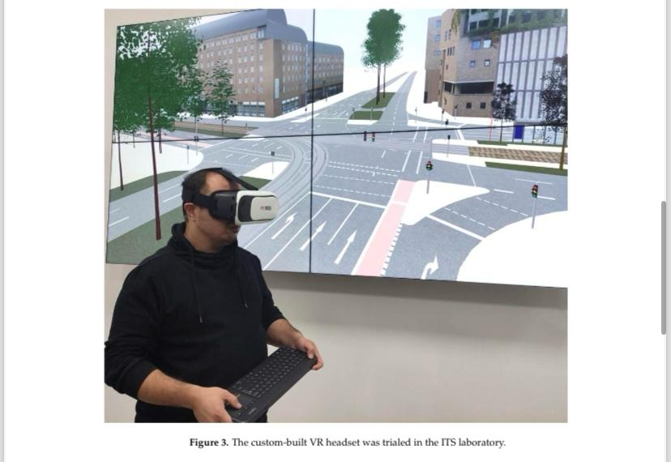 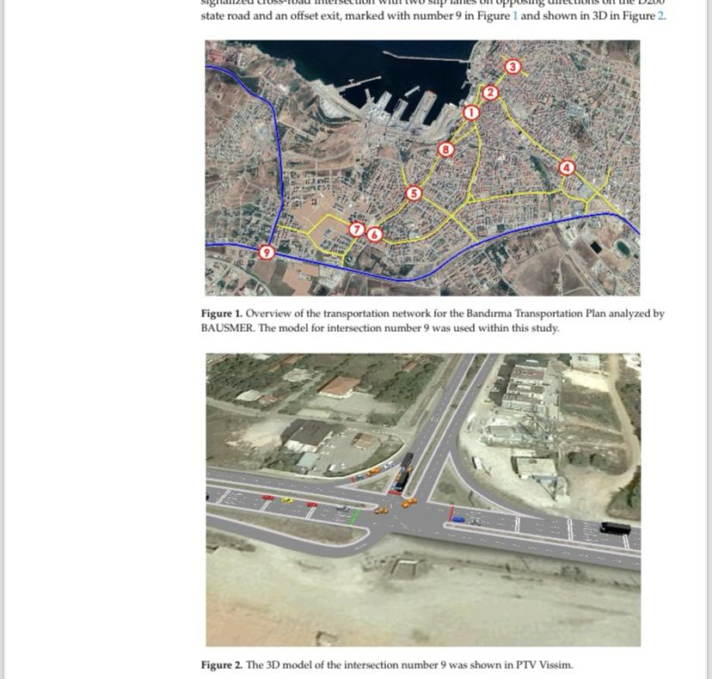 | 4 | Curriculum Updates: It was proposed to update the Traffic Micro Simulation course curriculum to integrate VR technology more effectively, incorporating findings from the preliminary study to enhance educational delivery . Development of a Standardized Evaluation Method: The authors suggested using the NASA-TLX questionnaire for a standardized approach to measuring student experiences and workload in VR environments, promoting replicability of the research . Improvement in User Interface: There is a recommendation to redesign the user interface of the simulation software to better accommodate the use of a 3D VR headset. This includes making navigation more intuitive, enlarging text for better readability, and integrating more immersive 3D elements into the design . Investment in VR Equipment: The text indicates the need for funding and support to equip the ITS laboratory with standalone VR units to enable broader implementation of VR technology in the curriculum . Continuous Evaluation: The study suggests that an ongoing evaluation of the implementation process should take place, including collecting primary data from students and making necessary adjustments based on their feedback and performance analytics | PTV Vissim simulation VR Headset VR Server Software Wireless Local Area Network |  | 1. Traffic Micro Simulation Model: - The experiment employed a 3D microscopic model of a traffic intersection developed using PTV Vissim software. This model was part of the Transportation Master Plan for the Bandırma district and focused on an at-grade signalized intersection with specific features such as slip lanes and an offset exit . 1. Digital Twin Models: - The use of digital twin models is suggested through the capabilities of PTV Vissim, allowing the simulation of real-world traffic conditions in a 3D environment. These models represent existing traffic networks and provide a basis for conducting various simulations and analyses

